Kaizen Event Plan
 | Kaizen Event Plan (Current and future state, and gap)

Event Description (workcenter, performance measure to be focused on)
Workcenter: Modern Applied Electronics (MAE) Production System
Performance Metric of Focus: Lead Time

Event Dates and Times |  |  |  | Preliminary Objectives
11/30/15 - 12/4/15
 |  |  |  | > Reduce Overall Inventory:
 |  |  |  |  | - Reduce inventory before Circuit Board Assembly from 6720 pieces to 2520 pieces (8 days to 3 days)
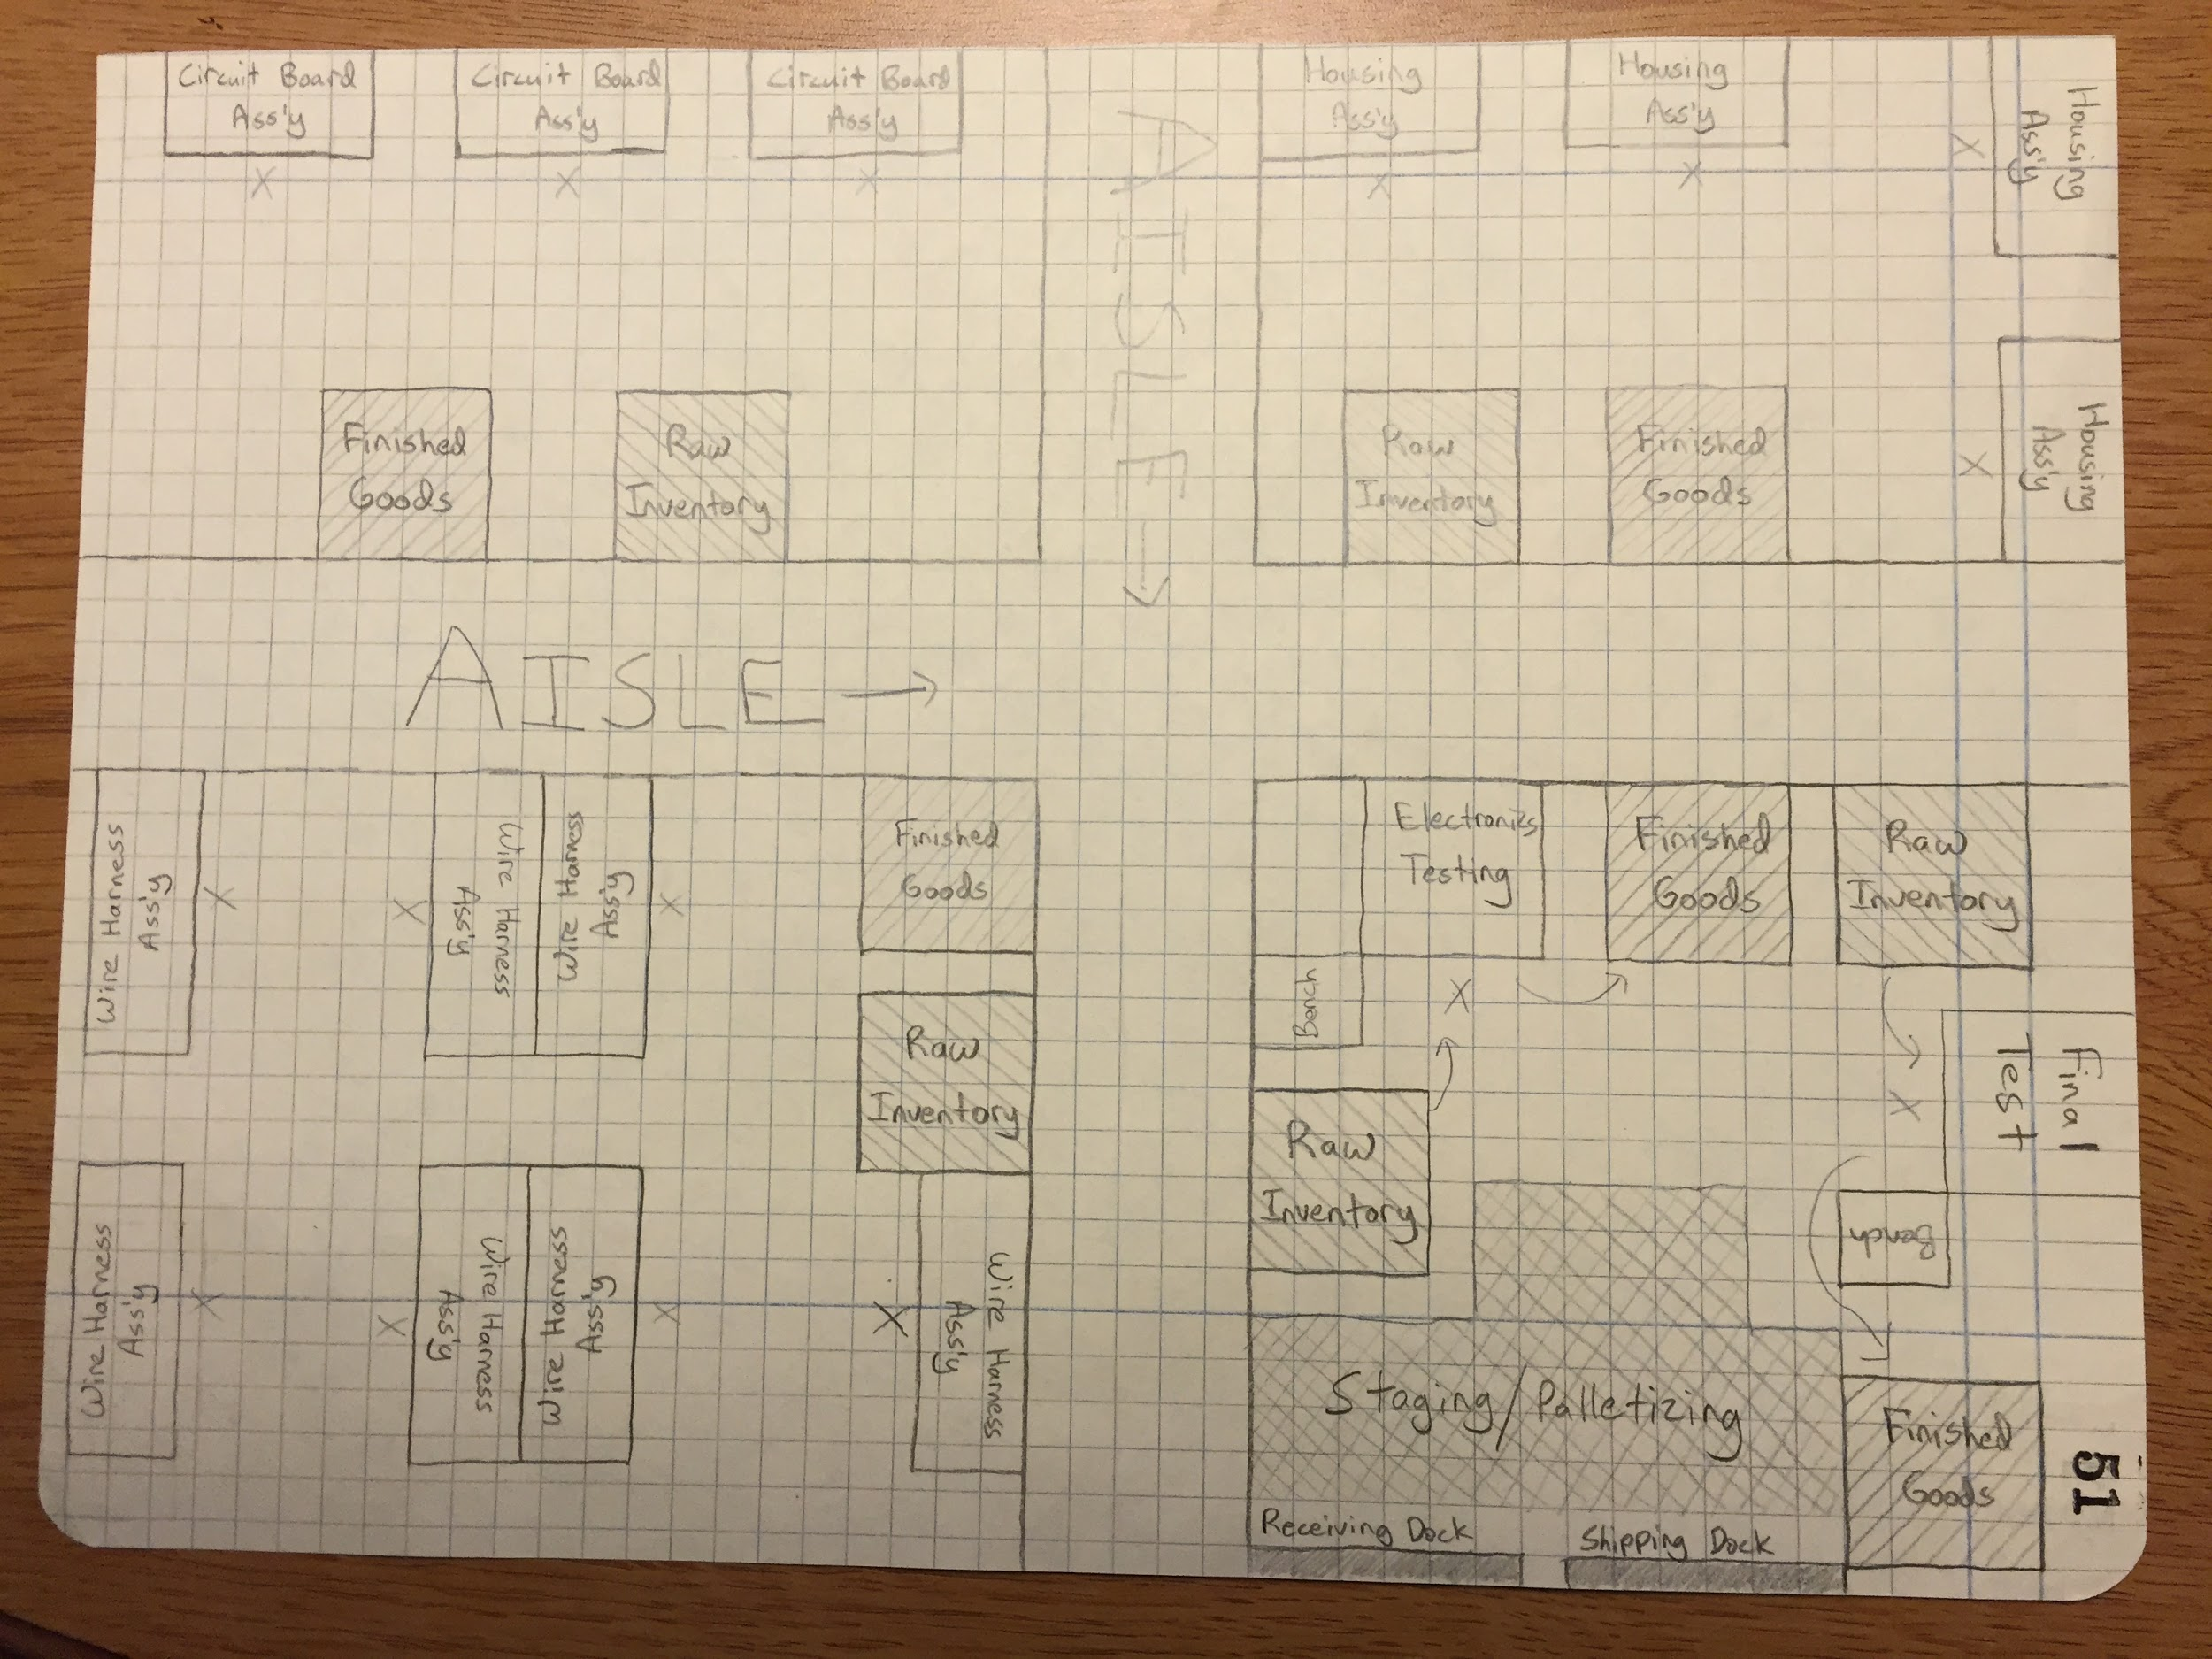
Current Process (flow chart) |  |  |  |  | - Reduce inventory before Wire Harness Assembly from 4200 pieces to 840 pieces (5 days to 1 day)
Circuit
Wire
Final Test
House
Elec. Test
 |  |  |  |  | - Reduce inventory before Electronics Testing from 1680 pieces to 840 pieces (2 days to 1 day)
 |  |  |  |  | - Reduce inventory before Housing Assembly from 2520 pieces to 840 pieces (3 days to 1 day)
 |  |  |  |  | - Reduce inventory before Final Test from 3360 pieces to 840 pieces (4 days to 1 day)

 |  |  |  | Team

Current Situation and Problems |  |  |  | Leader | Jared Raphael
 |  |  |  | Co-leader | Nick Morris
> Large amount of inventory in between processes |  |  |  | Facilitator | Scott Grasman
 | - 6720 pieces (8 days) inventory before Circuit Board Assembly |  |  | Sensei | John Kaemmerlen
 | - 4200 pieces (5 days) inventory in between Circuit Board Assembly and Wire Harness Assembly |  |  | Manager | Robin Borkholder
 | - 1680 pieces (2 days) inventory in between Wire Harness Assembly and Electronics Testing |  |  | Staff Personnel | Peter Johnson
 | - 2520 pieces (3 days) inventory in between Electronics Testing and Housing Assembly |  |  | Staff Personnel | Erin Smith
 | - 3360 pieces (4 days) inventory in between Housing Assembly and Final Test |  |  | Outside Eyes | Rachel Silvestrini
 | - 840 pieces (1 day) inventory in between Final Test and Shipping
 |  |  |  | Floor Personnel | Tony DiVasta
Production Requirements (lead time)
 |  |  |  | Resources on call | Ruben Proano
Current Lead Time: |  | 23 | [days] |  | Dr. Kuhl
Desired Lead Time: |  | 8 | [days]

